Sheet1
Premium Knee-High Fit Knickers Baseball/Softball Pants

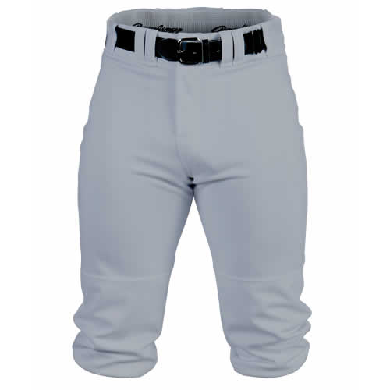
Baseball knee-high pants (Knickers) (in centimeters) | For Waist and hip, measure AROUND to get your measurement.
CM | YXS | YS | YM | YL | AXS | AS | AM | AL | AXL | A2XL
A:Waist | 48 | 53 | 58 | 64 | 64 | 69 | 74 | 79 | 84 | 89
B:Hip | 71 | 76 | 81 | 86 | 91 | 97 | 107 | 117 | 122 | 127
C:Front rise | 17 | 18 | 19 | 20 | 21 | 22 | 23 | 24 | 25 | 26
D:Back rise | 28 | 29 | 30 | 31 | 32 | 33 | 34 | 10 | 37 | 37
E:Inseam Length | 38 | 41 | 43 | 46 | 51 | 52 | 53 | 56 | 58 | 61
F:Leg opening | 46 | 48 | 51 | 53 | 56 | 58 | 64 | 69 | 71 | 74
Length (C+E) | 55 | 58 | 62 | 65 | 71 | 74 | 76 | 80 | 84 | 87

Baseball knee-high pants (Knickers) (in inches) | For Waist and hip, measure AROUND to get your measurement.
Inches | YXS | YS | YM | YL | AXS | AS | AM | AL | AXL | A2XL
A:Waist | 19.0 | 21.0 | 23.0 | 25.0 | 25.0 | 27.0 | 29.0 | 31.0 | 33.0 | 35.0
B:Hip | 28.0 | 30.0 | 32.0 | 34.0 | 36.0 | 38.0 | 42.0 | 46.0 | 48.0 | 50.0
C:Front rise | 6.8 | 7.0 | 7.4 | 7.8 | 8.1 | 8.5 | 9.0 | 9.5 | 9.9 | 10.3
D:Back rise | 11.0 | 11.5 | 11.9 | 12.3 | 12.6 | 13.0 | 13.5 | 4.0 | 14.4 | 14.8
E:Inseam Length | 15.0 | 16.0 | 17.0 | 18.0 | 20.0 | 20.5 | 21.0 | 22.0 | 23.0 | 24.0
F:Leg opening | 18.0 | 19.0 | 20.0 | 21.0 | 22.0 | 23.0 | 25.0 | 27.0 | 28.0 | 29.0
Length (C+E) | 21.5 | 23.0 | 24.4 | 25.8 | 28.1 | 29.0 | 30.0 | 31.5 | 32.9 | 34.3

