Sheet1
Premium Baseball/Softball Pants

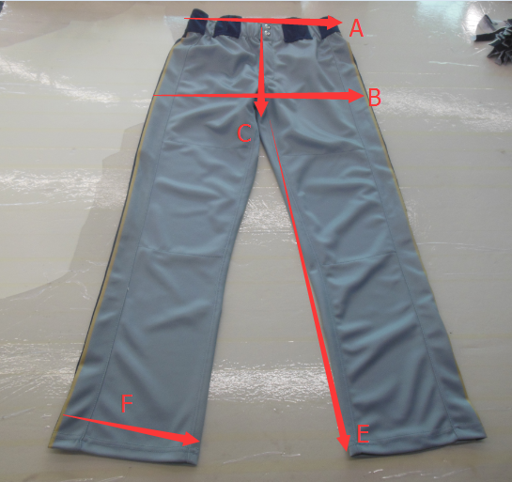
Baseball pants (in centimeters). For Waist and hip, measure AROUND to get your measurement.
 | YXS | YS | YM | YL | YXL | AS | AM | AL | AXL | A2XL
A:Waist | 56 | 61 | 66 | 71 | 76 | 76 | 84 | 91 | 102 | 112
B:Hip | 76 | 81 | 86 | 91 | 97 | 102 | 108 | 114 | 123 | 132
C:Front rise | 23 | 24 | 25 | 26 | 26 | 32 | 32 | 33 | 34 | 34
D:Back rise | 31 | 31 | 32 | 34 | 34 | 39 | 39 | 41 | 42 | 42
E:Inseam Length | 58 | 61 | 64 | 66 | 69 | 79 | 84 | 84 | 86 | 86
F:Leg opening | 33 | 34 | 36 | 39 | 42 | 42 | 43 | 46 | 46 | 46
Length (C+E) | 82 | 85 | 88 | 92 | 95 | 110 | 116 | 117 | 121 | 121

Baseball pants (in inches). For Waist and hip, measure AROUND to get your measurement.
 | YXS | YS | YM | YL | YXL | AS | AM | AL | AXL | A2XL
A:Waist | 22 | 24 | 26 | 28 | 30 | 30 | 33 | 36 | 40 | 44
B:Hip | 30 | 32 | 34 | 36 | 38 | 40 | 42.5 | 45 | 48.5 | 52
C:Front rise | 9.25 | 9.5 | 9.75 | 10.25 | 10.25 | 12.5 | 12.5 | 13 | 13.5 | 13.5
D:Back rise | 12.25 | 12.25 | 12.75 | 13.25 | 13.25 | 15.5 | 15.5 | 16 | 16.5 | 16.5
E:Inseam Length | 23 | 24 | 25 | 26 | 27 | 31 | 33 | 33 | 34 | 34
F:Leg opening | 13 | 13.5 | 14 | 15.5 | 16.5 | 16.5 | 17 | 18 | 18 | 18
Length (C+E) | 32.3 | 33.5 | 34.8 | 36.3 | 37.3 | 43.5 | 45.5 | 46.0 | 47.5 | 47.5

