Sheet1
Football Jersey Sizing Chart

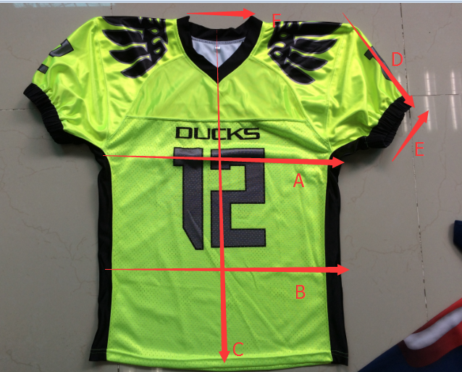
Football jersey size chart (centimeters)
CM | Kids |  |  | Youth |  |  |  | Adult
 | 4T | 5T | 6T | YXS | YS | YM | YL | XS | S | M | L | XL | 2XL | 3XL | 4XL | 3XL | 4XL
A:Chest | 31.5 | 34.5 | 37.5 | 40.5 | 43.5 | 46.5 | 49.5 | 52.5 | 55.5 | 58.5 | 61.5 | 64.5 | 67.5 | 70.5 | 73.5 | 76.5 | 79.5
B:Waist | 27.5 | 30.5 | 33.5 | 36.5 | 39.5 | 42.5 | 45.5 | 48.5 | 51.5 | 54.5 | 57.5 | 60.5 | 63.5 | 66.5 | 69.5 | 72.5 | 75.5
C:Back length | 51.5 | 54 | 56.5 | 59 | 61.5 | 64 | 66.5 | 69 | 71.5 | 74 | 76.5 | 79 | 81.5 | 84.5 | 87 | 89.5 | 92
D:sleeve length | 20 | 20 | 20 | 20 | 20 | 22 | 22 | 22 | 22 | 24 | 24 | 24 | 24 | 24 | 26 | 26 | 26
E:sleeve opeing | 13 | 13 | 13 | 13 | 13 | 15 | 15 | 15 | 15 | 16 | 16 | 16 | 16 | 16 | 17 | 17 | 17
F:neck width | 16.5 | 16.5 | 16.5 | 16.5 | 16.5 | 18 | 18 | 18 | 18 | 19.5 | 19.5 | 19.5 | 19.5 | 19.5 | 21 | 21 | 21

Football jersey size chart (inches)
Inches | Kids |  |  | Youth |  |  |  | Adult
 | 4T | 5T | 6T | YXS | YS | YM | YL | XS | S | M | L | XL | 2XL | 3XL | 4XL | 3XL | 4XL
A:Chest | 12 | 14 | 15 | 16 | 17 | 18 | 19 | 21 | 22 | 23 | 24 | 25 | 27 | 28 | 29 | 30 | 31
B:Waist | 11 | 12 | 13 | 14 | 16 | 17 | 18 | 19 | 20 | 21 | 23 | 24 | 25 | 26 | 27 | 29 | 30
C:Back length | 20 | 21 | 22 | 23 | 24 | 25 | 26 | 27 | 28 | 29 | 30 | 31 | 32 | 33 | 34 | 35 | 36
D:sleeve length | 8 | 8 | 8 | 8 | 8 | 9 | 9 | 9 | 9 | 9 | 9 | 9 | 9 | 9 | 10 | 10 | 10
E:sleeve opeing | 5 | 5 | 5 | 5 | 5 | 6 | 6 | 6 | 6 | 6 | 6 | 6 | 6 | 6 | 7 | 7 | 7
F:neck width | 6 | 6 | 6 | 6 | 6 | 7 | 7 | 7 | 7 | 8 | 8 | 8 | 8 | 8 | 8 | 8 | 8

